Disclaimer
Disclaimer:
The Integrated Financial Model™ ("IFM") has been prepared by RiskEase Ltd to be used as a template for financial modelling. It has been designed so as to be easily used with RiskEase™ Monte Carlo Simulation software ( ©RiskEase Ltd ). The template is not intended to be used as is for the evaluation of any projects, transactions or investments. RiskEase Ltd does not in any way endorse or otherwise validate the accuracy or fitness for purpose of this template model. It is merely provided as a general framework on which expert financial analysts and economists can build on so as to evaluate financial and economic returns in capital investment projects.
The user of this model is totally and solely responsible for editing and adapting the formulas and for providing it with the appropriate inputs as may be the case in the location, and sectors, where used. RiskEase Ltd does not accept any responsibility for the accuracy or correctness of any of the formulas or for the methodology employed in this model.
The information contained in the initial template is the intellectual property of RiskEase Ltd. and must not be copied, republished or distributed without permission. The IFM model has not been formally audited. RiskEase Ltd does not guarantee that the file is free from computer viruses or other factors which may affect the integrity of the electronic file or the system which receives it.
 | Growth Smooth
 | Growth Exp.
 | Cyclical
Warning:
A user should not delete any of the provided sheets in the Integrated Financial Model (IFM) workbook.
One can add new sheets and link to sheets where appropriate but the core modules of the IFM workbook are interrelated and connected. Deleting any of these sheets or even changing the core formulas in some of these modules may impair the ability of the model to predict correctly.
Of course, it is understood that a financial model must adapt to reflect the particulars of a specific project. For this reason, a huge amount of customisation is provided with the software and the standard template but which is offered only as a pro-forma financial model.
In addition, an expert modeller who understands the design of the IFM may edit some of the formulas with care so as not to disturb the robustness and integrity of the customised financial model. This is also why the IFM is only provided on an institutional license and packaged with the appropriate country customisation and the relevant training to the professionals who will be using it
RiskEase Ltd. bears nor accepts any legal or other responsibility of how the IFM pro-forma template and the software that facilitates its application is actually employed and used by clients.
 | Life Cycle
 | None

New Project
2,020
20
No

20 | Fixed | CAP INT | None | Loan | TRUE
 | Variable | NO CAP | As Previous | Overdraft
25 |  |  | Linear
1

IFM
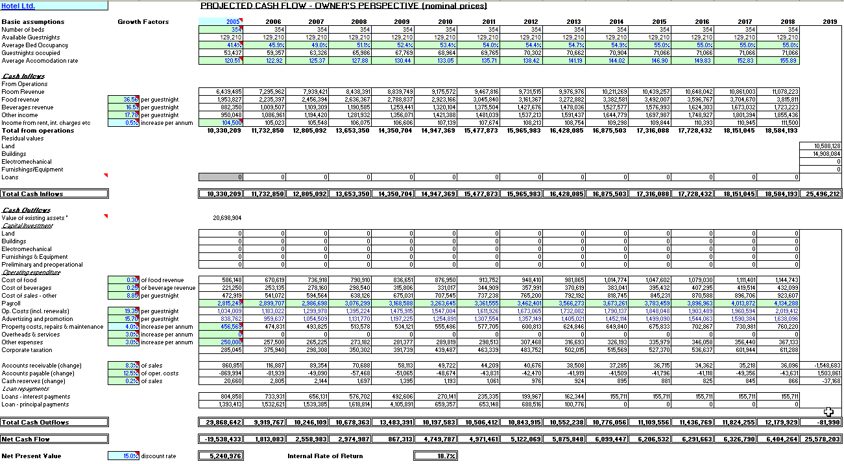
Integrated Financial Model
SOURCES AND APPLICATIONS
BALANCE SHEET
PROFIT & LOSS
ECONOMIC CASH FLOW
TOTAL INVESTMENT CASH FLOW
OWNER CASH FLOW
Loans
Depreciation
Taxation
Project Cost & Financing Plan
Assumptions
Market Analysis
Risk Analysis
Model Results
Risk Variables
Shadow Prices
Conversion Factors
Economic Analysis
Prices
Quantities
Supporting Modules

© 2019 Savvakis C. Savvides

BS
Note: Depreciation, Wear & Tear Allowance are apllicable upon the completion of the project and thereafter. Investment Allowance is a one year allowance based on the total capital investment of the project.
Note: Depreciation, Wear & Tear Allowance are apllicable upon the completion of the project and thereafter. Investment Allowance is a one year allowance based on the total capital investment of the project.
Note: Depreciation, Wear & Tear Allowance are apllicable upon the completion of the project and thereafter. Investment Allowance is a one year allowance based on the total capital investment of the project.
Hotel Ltd. |  | PROJECTED BALANCE SHEETS

 | As at 31 DECEMBER | 2000 | 2001 | 2002 | 2003 | 2004 | 2005 | 2006 | 2007 | 2008 | 2009 | 2010
FIXED ASSETS
Land |  | 4,000 | 4,000 | 4,000 | 4,000 | 4,000 | 4,000 | 4,000 | 4,000 | 4,000 | 4,000 | 4,000
Buildings at cost |  | 4,286 | 9,286 | 9,286 | 9,286 | 9,286 | 9,286 | 9,286 | 9,286 | 9,286 | 9,286 | 9,286
Less accumulated depreciation |  | 0 | 0 | 0 | 206 | 413 | 619 | 825 | 1,032 | 1,238 | 1,444 | 1,651
Electromechanical |  | 2,000 | 4,125 | 4,125 | 4,125 | 4,125 | 4,125 | 4,125 | 4,125 | 4,125 | 4,125 | 4,125
Less accumulated depreciation |  | 0 | 0 | 0 | 275 | 550 | 825 | 1,100 | 1,375 | 1,650 | 1,925 | 2,200
Fixtures and Fitttings |  | 714 | 2,589 | 2,589 | 2,589 | 2,589 | 2,589 | 2,589 | 2,589 | 2,589 | 2,589 | 2,589
Less accumulated depreciation |  | 0 | 0 | 0 | 216 | 432 | 647 | 863 | 1,079 | 1,295 | 1,510 | 1,726
Remaining Balance of Fixed Assets |  | 11,000 | 20,000 | 20,000 | 19,303 | 18,606 | 17,909 | 17,212 | 16,514 | 15,817 | 15,120 | 14,423

CURRENT ASSETS
Debtors |  | 0 | 0 | 344 | 421 | 481 | 529 | 568 | 601 | 629 | 644 | 658
Bank |  | 0 | 0 | 1,400 | 11,386 | 11,579 | 11,969 | 12,521 | 13,199 | 13,977 | 14,789 | 15,585
Cash |  | 0 | 0 | 5 | 7 | 8 | 8 | 9 | 10 | 10 | 10 | 11
Total Current Assets |  | 0 | 0 | 1,749 | 11,813 | 12,068 | 12,507 | 13,098 | 13,810 | 14,617 | 15,443 | 16,254

LESS CURRENT LIABILITIES
Creditors |  | 0 | 350 | 1,275 | 1,324 | 1,372 | 1,403 | 1,429 | 1,452 | 1,474 | 1,488 | 1,512

TOTAL NET ASSETS |  | 11,000 | 19,650 | 20,474 | 29,792 | 29,301 | 29,013 | 28,881 | 28,872 | 28,960 | 29,075 | 29,165

FINANCED BY:
Equity |  | 11,000 | 15,000 | 14,650 | 25,474 | 25,872 | 26,536 | 27,483 | 28,673 | 30,079 | 31,682 | 33,416
Profit/Loss |  | 0 | -350 | 824 | 397 | 664 | 947 | 1,190 | 1,406 | 1,603 | 1,734 | 1,823
Loans |  | 0 | 5,000 | 5,000 | 3,921 | 2,766 | 1,530 | 207 | -1,207 | -2,721 | -4,341 | -6,074
Total Net Worth |  | 11,000 | 19,650 | 20,474 | 29,792 | 29,301 | 29,013 | 28,881 | 28,872 | 28,960 | 29,075 | 29,165

Total Equity = Equity + Profit |  | 11,000 | 14,650 | 15,474 | 25,872 | 26,536 | 27,483 | 28,673 | 30,079 | 31,682 | 33,416 | 35,239
Debt |  | 0 | 5,000 | 5,000 | 3,921 | 2,766 | 1,530 | 207 | -1,207 | -2,721 | -4,341 | -6,074
Gearing Ratio |  | 0.0% | 25.4% | 24.4% | 13.2% | 9.4% | 5.3% | 0.7% | -4.2% | -9.4% | -14.9% | -20.8%
Net Present Value of Equity |  | 280,104
Net Present Value of Debt |  | 4,079
Equity Ratio |  | 0.99
Debt Ratio |  | 0.01

Plan
Note: Depreciation, Wear & Tear Allowance are apllicable upon the completion of the project and thereafter. Investment Allowance is a one year allowance based on the total capital investment of the project.
Hotel Ltd.

Project Cost | 2000 | 2001 | 2002 | Total
Land | 4,000 |  |  | 4,000
Buildings | 3,000 | 4,000 |  | 7,000
Electrical | 500 | 800 |  | 1,300
Mechanical | 900 | 900 |  | 1,800
Furnishings & Equipment (incl. kitchen) | 500 | 1,500 |  | 2,000
Professional fees * | 1,000 |  |  | 1,000
Preliminary & Preoperational | 200 |  |  | 200
Interest / financial charges | 700 | 800 |  | 1,500
Contingencies (and VAT)* | 200 | 1,000 |  | 1,200
Total Capital Expenditure | 11,000 | 9,000 | 0 | 20,000
* Allocated in other items

Financing Plan | 2000 | 2001 | 2002 | Total
Owner's equity (land) | 4,000 |  |  | 4,000
Owner's contribution (in cash) | 2,000 | 4,000 |  | 6,000
Loan A | 5,000 | 5,000 |  | 10,000
 |  |  |  | 0
 |  |  |  | 0
 |  |  |  | 0
 |  |  |  | 0
 |  |  |  | 0
 |  |  |  | 0
 |  |  |  | 0
 |  |  |  | 0
Total Financing | 11,000 | 9,000 | 0 | 20,000

Value of Assets
Existing assets (replacement cost) | 2000 | 2001 | 2002 | Total
Land |  |  |  | 0
Buildings |  |  |  | 0
Electrical |  |  |  | 0
Mechanical |  |  |  | 0
Furnishings & Equipment |  |  |  | 0
 |  |  |  | 0
 | 0 | 0 | 0 | 0

New (project created) assets | 2000 | 2001 | 2002 | Total
Land | 4,000 | 0 | 0 | 4,000
Buildings | 4,286 | 5,000 | 0 | 9,286
Electrical | 714 | 1,000 | 0 | 1,714
Mechanical | 1,286 | 1,125 | 0 | 2,411
Furnishings & Equipment | 714 | 1,875 | 0 | 2,589
 |  |  |  | 0
 | 11,000 | 9,000 | 0 | 20,000

All assets | 2000 | 2001 | 2002 | Total
Land | 4,000 | 0 | 0 | 4,000
Buildings | 4,286 | 5,000 | 0 | 9,286
Electrical | 714 | 1,000 | 0 | 1,714
Mechanical | 1,286 | 1,125 | 0 | 2,411
Furnishings & Equipment | 714 | 1,875 | 0 | 2,589
 | 0 | 0 | 0 | 0
 | 11,000 | 9,000 | 0 | 20,000

Workings (calculation of proportions) | 2000 | 2001 | 2002
Buildings | 61.2% | 55.6% | 0.0%
Electrical | 10.2% | 11.1% | 0.0%
Mechanical | 18.4% | 12.5% | 0.0%
Furnishings & Equipment | 10.2% | 20.8% | 0.0%
Total | 100.0% | 100.0% | 0.0%
Assets | 4,900 | 7,200 | 0
Fees/charges etc | 2,100 | 1,800 | 0

Assumptions
Hotel Ltd. |  |  | KEY ASSUMPTIONS
 |  |  | 0 | 0 | 0 | 1 | 2 | 3 | 4 | 5 | 6 | 7 | 8
Growth and other Factors |  |  | 2000 | 2001 | 2002 | 2003 | 2004 | 2005 | 2006 | 2007 | 2008 | 2009 | 2010
Occupancy |  |  |  |  | 40.0% | 48.2% | 54.1% | 58.3% | 61.3% | 63.5% | 65.0% | 65.0% | 65.0%
Accommodation rates |  |  |  |  | 30.00 | 30.60 | 31.21 | 31.84 | 32.47 | 33.12 | 33.78 | 34.46 | 35.15
General Inflation Rate |  | 3.00%
Growth factor - Labour Inflator |  | 3.50%
Cost of food (% on food revenue) |  | 45.0%
Cost of beverages (% on beverages revenue) |  | 35.0%
Growth factor - Food Revenue |  | 3.00% | Occupancy
Growth factor - Beverage Revenue |  | 4.00% | Base | 40.0%
Growth factor - Departmental Expenses |  | 3.00% | Ceiling | 65.0%
Growth factor - Other Revenue |  | 3.00% | Duration | 6
Food Income per guestnight |  | 3.00 | Steepness | 2
Owner's Discount Rate |  | 10.0%

 |  |  | Accommodation rates
 |  |  | Base | 30.00
 |  |  | Growth rate | 2.0%

Payroll |  |  | 2000 | 2001 | 2002 | 2003 | 2004 | 2005 | 2006 | 2007 | 2008 | 2009 | 2010
Normal employees |  |  |  |  | 227 | 227 | 227 | 227 | 227 | 227 | 227 | 227 | 227
Additional/occasional staff |  |  |  | 0 | 0 | 0 | 0 | 0 | 0 | 0 | 0 | 0 | 0
Total employees |  |  | 0 | 0 | 227 | 227 | 227 | 227 | 227 | 227 | 227 | 227 | 227

Annual wages before inflation
Normal employees | 0.00% | real growth rate | 3 | 3 | 3 | 3 | 3 | 3 | 3 | 3 | 3 | 3 | 3
Additional/occasional staff | 0.00% | real growth rate | 2.5 | 2.5 | 2.5 | 2.5 | 2.5 | 2.5 | 2.5 | 2.5 | 2.5 | 2.5 | 2.5

Real annual wages
Normal employees |  |  | 0 | 0 | 681 | 681 | 681 | 681 | 681 | 681 | 681 | 681 | 681
Additional/occasional staff |  |  | 0 | 0 | 0 | 0 | 0 | 0 | 0 | 0 | 0 | 0 | 0
Total real wages |  |  | 0 | 0 | 681 | 681 | 681 | 681 | 681 | 681 | 681 | 681 | 681

DSCR Chart
Debt Service
 | Debt Service Coverage (Based on annual net cash flow) | Debt Service Coverage (Based on accumulated funds)
 | 1.0 | 1.0
 | 1.1 | 1.1
 | 1.2 | 1.3
 | 1.3 | 1.6
 | 1.4 | 2.0
 | 1.4 | 2.4

